Sheet1
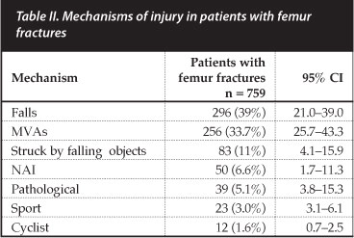
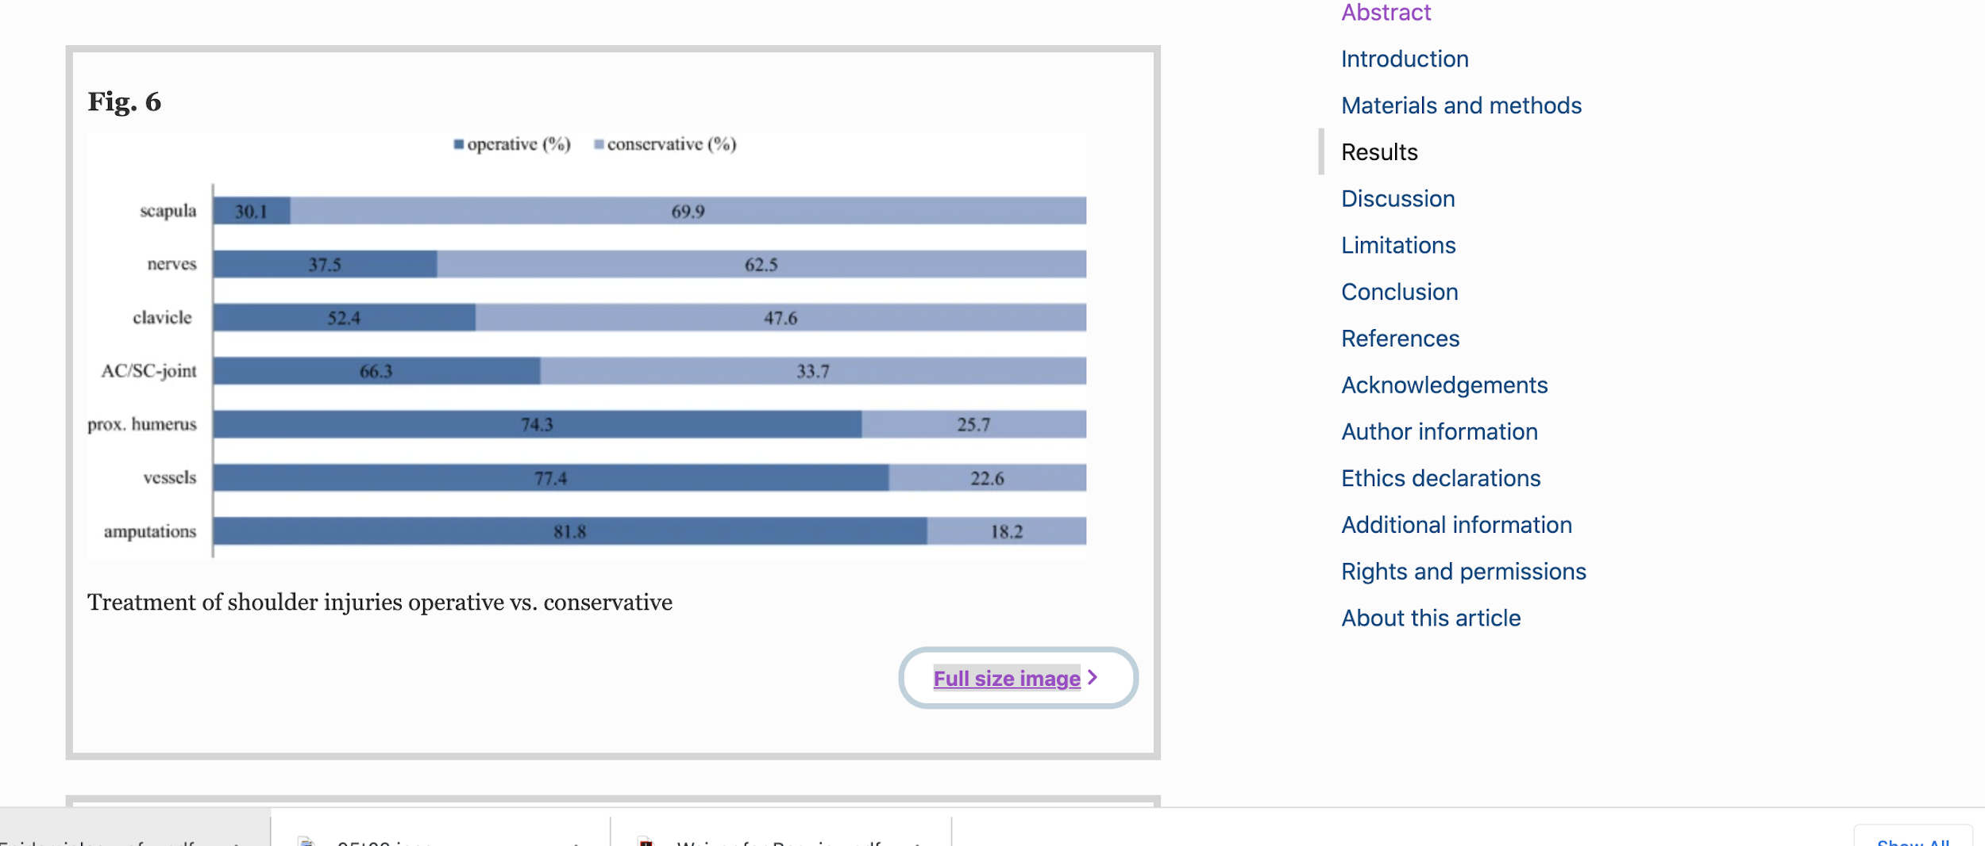
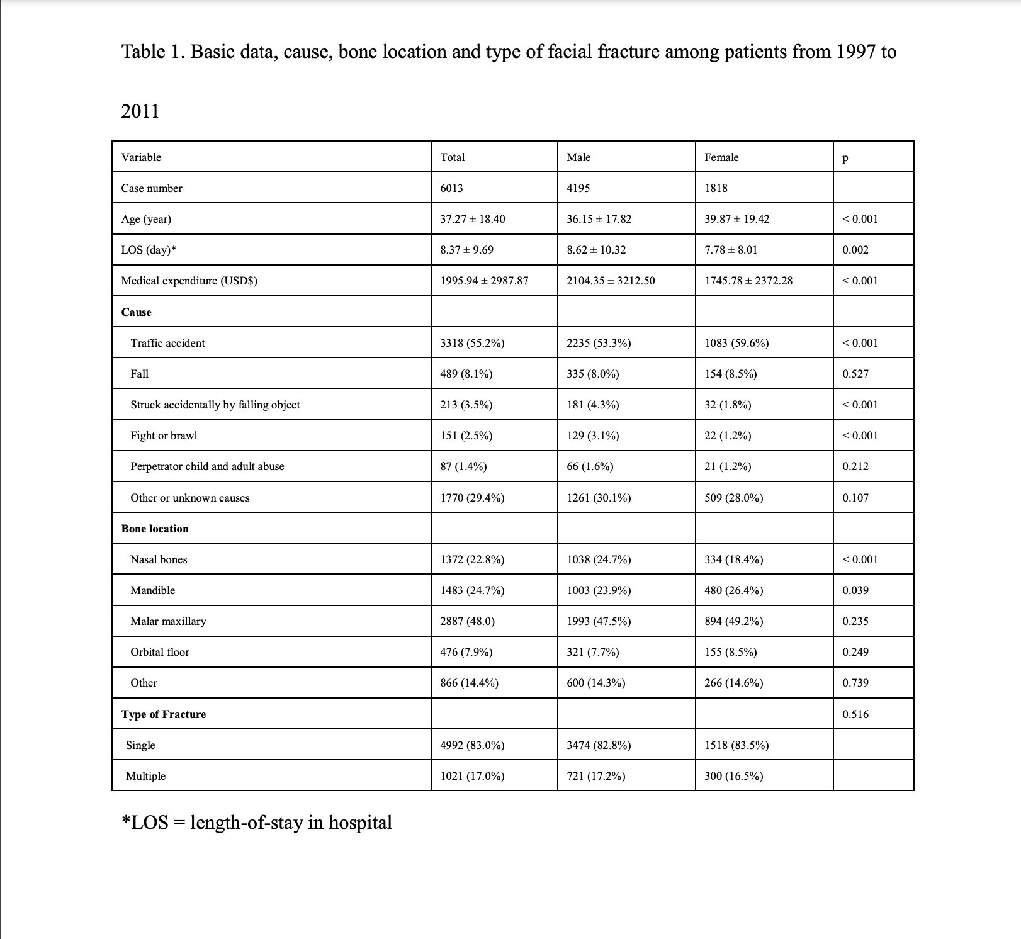
Fracture Types | Incidence rate (GBD) | Case Fatality Ratio | Percentage requiring surgery (Write specific procedure & % requiring that procedure) | Effect size (RR reduction in mortality from that procedure)(Write RR for each procedure) (Effect of surgeries or the intervention in reducing mortalities) | Polytrauma (proportion of sole fracture vs. multiple fractures) | Mechanism of Injury (Give as many mechanisms as possible based on available data) | Non-orthopedic deaths | Study strength | Study country
Fracture of Hip | 184/100,000 | A large metanalysis study on surgical management of acetabular fractures show mortallity rate of 4.4% | Intertrochanteric and femoral neck fractures account each about 50% of fractures. Surgery is offered in amost all cses. A 2017 survey in the US found 90% of surgeries are hemiarthroplasty, while 10% are total arthroplasty. | Reports absolute risk reduction in mortality of 21.2% between operational vs. non-operational mangement (45.6 vs 25.4) at 2 years, in Singapore | Only 57% of cases were isolated acetabular fractures | A change in injury mechanisms is seen, with road traffic accidentsnow accounting for 66.5% of cases (previously over 80%), and a rise in the number of fractures caused by falls from 10.7 to 25.8%.
Dislocation of Hip | 38/100,000 | A large study shows 44.6% in the HA (Hemiarthroplasty) group and 44.2% in the THA (Total Hip arthroplasty) group?
Fracture of Knee |  | Study: Mortality was 9.3% for the Knee group and 19.3% for the Non Knee group (p < 0.001). 90.7% of all patients with knee injuries were discharged alive | Study page 4: Although patellar tendon ruptures are seldom represented (4.1%), this injury requires surgery very often (86%). we observe that 38% of knee dislocations, 45% of meniscus tears and 66% of collateral and cruciate ligament injuries were treated non-operatively. See image below: |  | Study 2 - 29,779 Non- Knee vs 3,458 Knee injuries (Knee involved in 24.2% of cases) Note the knee injuries were associated with other concommitant injuries - Head 44%, Thorax-67%, Abdomen- 24%, Limb-79%) | Mechanism: Car/Truck 42%, Motorbike- 21%, Bicycle- 6%, Pedestrian-14%, Fall>3m- 12%, Fall<3m- 1%, Others- 5%
Dislocation of Knee | 46.75/100,000 | Minimal reported mortality.
Fracture of Patella, Tibia or Fibula or Ankle | 422.39/100,000 | Swedish based study shows mortality of 1.2% (30 day) , 3.3% (6 month) and 4.9%. (1 year) for tibial plateau fractures. | Tanzanian article of tibial and fibia fracture admissions shows that 72% are identified as open fractures and 19% are communuted. "Toilet debridement" was the treatment for 66% and "backslab" was the treatement for 34%. US study shows that the "greatest number" of surgeries of tib fib are for tibial plateau. |  |  | Mechanism: In Tanzania 78% due to MTA, 13% due to falls. In US study shows fall from heigth accounts for 40.2% of fractures, motorcycle 22.6%, pedestrian 18.8%, motor vehicle 10.9%.
Fractures of Femur other than femoral neck | 189/100,000 | This article describes even in the setting of a high income country (New South Wales, Australia that mid-shaft femoral fracture have a mortality of 22.4% (16.7% pre-hospital and 5.7% in hospital). Fractures are bimodal with 48.4% being high impact injuries in which all deaths occured, the remainder being low-impact and without mortality. | Study: The most common treatment was skeletal traction (40%; n=85). The most common injury treated by traction was mid shaft of femur fracture (39%; n=33). The second and third most common treatments documented were ‘discussion with senior’ 9% (n=20) and ‘treatment not recorded’ 9% (n=19). Study 2: Three-fourths of fractures were treated by reamed intramedullary nailing (rIMN), antegrade in 80%. The pyriform fossa nails were used in 71.6% while trochanteric entry nails were used in 28.4%. Forty-five (8.9%) fractures were treated with an external fixator, 37 (6.1%) had conservative management. Study 3: Great details based on RTA vs Falls |  | Check: study 3. It has great details on all of these sections | Study: Across all age groups, 49% (n=102) of femoral fractures were caused by MTA's and 42% (n=89) by falls. More details in image below. Study 2 Check image below for pediatric distribution
Fracture of Shoulder |  | Study: The mortality rate in the shoulder group vs non-shoulder group (14.5% vs. 17.4%, p < 0.0001) | Study: Check screenshot below |  | Study: Concerning the injury pattern of polytraumatized patients and associated concomitant injuries, shoulder injuries were significantly associated with thoracic (82.9% vs. 69.6%), head (56.1% vs. 52.2%), and spine (40.5% vs. 36.8%) injuries (all p < 0.0001). Injuries of the shoulder are less common in patients with abdominal (26.6% vs. 28.4%), pelvic (25.4% vs. 26.6%), or lower limb (35.5% vs. 38.2%) trauma (all p < 0.0001) (Fig. 2) | Study: Moreover, shoulder injuries were caused significantly more often by traffic accidents than by other causes (68.5% vs. 31.5%, p < 0.0001), especially in contrast to the non-shoulder group (60.5% vs. 39.5%, p < 0.0001). Focusing on traffic accidents, shoulder injuries were caused significantly more often by motorbike (20.6% vs. 13.4%), bicycle (10.5% vs. 6.8%), or pedestrian accidents (9.6% vs. 8.1%) (all p < 0.0001). Accidents with cars and trucks (26.7% vs. 31.2%), falls < 3 m (9.1% vs. 11.9%) and falls > 3 m (18.8% vs. 20.5%) were less frequently associated with shoulder injuries (all p < 0.0001) (Fig. 1).
Dislocation of shoulder | 75/100,000
Fracture of Ankle | Not listed in GBD. Study from Sweden lists as 71/100 000 for ankle fracture requring hospital admission. Bi/triamalleolar account for 50%, lateral malleolar 42%, and medial malleolar 8% | Likely open fracture present highest risk of fatality; these accounted for 3% of fractures. This study from the U.S. measures a 30-day mortality rate of 0.3% with a complication rate of 5.3% with open reduction closed fixation. | 83% require surgery (of sample of patients admitted to hospital). Open reduction, internal fixation in 76% of cases, external fixation for <1% of cases, closed rediuction external fixation in 5%. |  |  | The mechanism of injury was reported as: fall from same level (64%), fall from height (10%), transport accident (9%), and other. For open fractures, transport accounted for 20% of fractures.
Fracture of Pelvis | 78/100,000 | Bangladesh large study: 3.5% of the pelvic fracture cases due to high energy trauma. 28/696 died before surgery | 334/696 (48%) required Surgery | No deaths among those operated | 313/696 (45%) had other associated injuries | Bus accident 231 (33.18%) Motorcycle accident 180 (25.86% Car accident 148 (21.26%) Truck accident 30 (4.31%) CNG driven 3 wheeler 6 (.86%) Fall from own height 66 (9.48%) Fall from height More than 12 feet 20(2.87%) Fall of heavy object15(2.15%)
Fracture of Skull (Excludes TBI) | 98/100,000 | Study: the case fatality rate is (13.2%) |  |  | Study 2: Concomittant injuries: Head- 39.6%, UL-23%, LL-25.4%, Other-12%, | Study: The main mechanism of head traumas at this hospital is RTAs (74%), followed by falls (10%), and assault (8%) (Figure 4); Of the RTAs, the majority (37%) comprised motorcycle with motorcycle accidents, 27.5% were single-motorcycle accidents, 15.7% were motorcycle versus car accidents, and 5% were pedestrian versus motorcycle accidents, with no distinct road traffic mechanism known for 72 of the 854 RTA cases (Figure 5). Thus, a total of 81% of RTA were from motorcycle accidents, and 87% of these patients were not wearing a helmet at the time of injury. Study 2: Cars 51%, Bus-14%, Lorry/Truck- 4.4%, Motorcycle-30%, Other-0.6%
Fracture of Clavicle, Scapula and Humerus | 220/100,000 (from GBD). This nationwide Chinese study reports 5/100 000 for clavicle, 16/100 000 for scapula and 20/100 000 for humerus. | Scapula fracture are 80-90% associated with other injuries because of requirement of high blunt force for their occurence, with on average 4 other injuries. Because of this association there is as much as a 14% death rate in Europe. when a scapula fracture is diagnosed, although the fracture is rarely the cause itself. Clavicle fractures in severe trauma (ISS>16) are also associated with mortality of 21%. | Scapula fractures have traditionally been treated conservatively. For clavicle fractures even in severe trauma setting, only 5% require surgery. |  | Study 1: | Study 1: Motor vehicle Accident: 32.6%, Pedestrian or Bike or Auto: 16.4%, Fall 21.2%, Penetrating - 14.1%, Motorcycle- 5.7%, Other- 4.2%, Combined- 5.0%, Missing- 0.8%
Fractures of facial bones | 140/100,000 | Study 3: 2.35% for cranio-facial injuries | Study 2: A total of 3026 patients (68%) had closed reduction of fractures with soft tissue repair, 1393 (31%) had open reduction and fixation with miniplates. |  | Study 2: A total of 580 patients (15%) had combined fractures. The most common combinations were mandible and zygoma (n = 246/580, 42%), and nose and mandible (n = 186/580, 32%). A total of 61 patients had panfacial fractures (2%). A total of 816 patients (18%) had associated injuries that required additional treatment. Of these, 345 (42%) had fractured limbs, and 268 (33%) had head injuries (Fig. 2). Soft tissue injuries that did not require specialist treatment were not included. | Study 1: Please see table 1 screenshot below for distributions of facial fractures based on causes Study 2: Road traffic accidents were the most common (n = 2347, 53%) causes of injury, and 2204 (94%) of those injured were male. Most were injured in accidents that involved twowheeled bikes (n = 1290, 55%); cars and other four-wheeled vehicles caused 514 (22%), and tri-rickshaws caused 361 (15%). Assault or interpersonal violence was the second most common cause in men (n = 667, 18%), followed by falls (n = 459, 12%). The main cause of injury in female patients was assault or interpersonal violence (n = 374, 53%) followed closely by falls (n = 327, 46%) (Fig. 1).
Fractures of foot bones except ankle | 138/100,000
Fracture of radius and/or ulna | 396/100,000 | This Swedish based study shows a 30-day CFR of 0.4% and 1 year of 2.9%. for distal radial fractures | Surgery required in 26%. (plate fixation 82%, pin/wire fixation 8.2%, external fixation 4.8%) | Reduction in mortality rate comparing nonsurgical and surgical at 30 days from 0.5% to 0.1% and at one year from 3.6% to 0.9% |  | Simple fall (75%), fall from a height (8%), unspecified fall (8.1%), traffic accidents (5.9%).
Fractures of wrist and hand | 245/100,000
Fractures of Sternum or one or more ribs | 53/100,000 | A mortality of 12% given frequencyof other injuries.
Spinal injuries | 11.75/100,000 | A US study suggests 5.8% of all trauma patients suffered spinal fractures, with 21.7% of patients with spinal injuries having Spinal cord injury. Mortality ~ 6%. A Canada study showed mortality Our in-hospital mortality rate (4%) was significantly lower than the provincial rate from the Ontario Trauma Registry (7.5%; p = 0.005). Thirty-day mortality was 6.3% in an Iceland study. | In a Chinese study, of all patients, 2763 (79.24%) received surgical treatment and 724 (20.76%) received conservative treatment. In Romania, Thirty-nine per cent of all patients admitted were operated on (61 % of those with neurological impairment) (old study 1994). |  |  | Study from India divides trauamtic and nontruamtic spinal injuries as fall from height (58.9%), MVA (21.3%), fall of weight (7.2%) and nontrauamtic causes (12.6%). Thsi strudy from Mexico found falls (41.6%), MVA (36.2%), violence (13.2%) and sports and other (9%) |  |  | USA,
Fractures of vertebral column | 110/100,000 | This Korean based study suggests an increased mortality of 5% over the healthy population for vertebral fracture over the age of 50. In a Kenyan study, 3 month mortality rate was 40.8% with average time between injury and death being 129 hours. | Surgery is rarely undertaken for vertebral compression injuries. Highly associated with osteoporosis. The most common treatment is prophylaxis for further injury through optimized osteoporotic care. In a Saudi study, 66.70% were treated conservatively, 8.30% had suturing only and 25% had a laparatomy. |  |  | A Canary Insland study shows falls have been the leading cause of spinal cord injury (48.2%), followed by traffic accidents (37.6%). Falls have increased, especially in the older population. Incomplete tetraplegia has been the most prevalent group (30.5%).
Crush injuries | 10.94/100,000

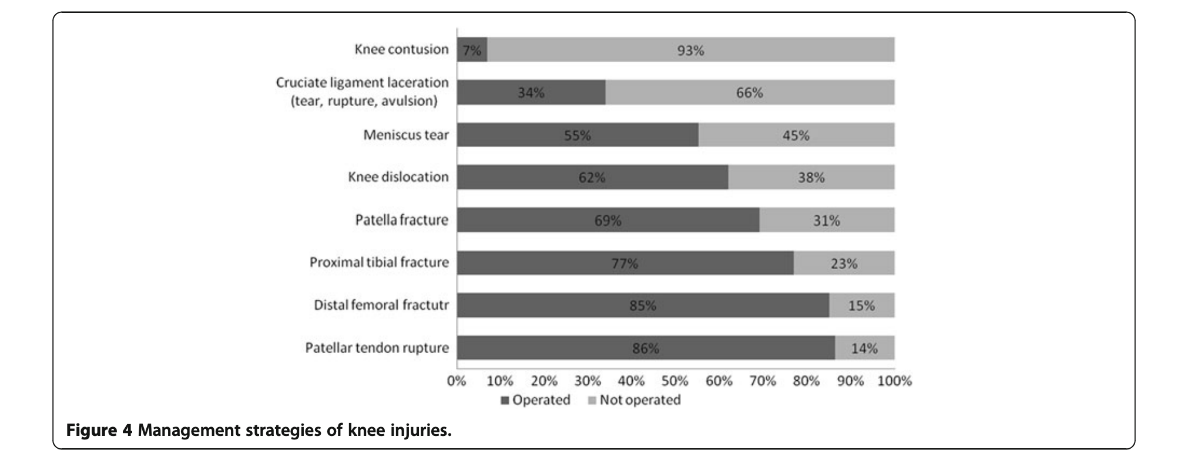
 | Plan: 1. Find all cause mortality in LMIC 2. Find incidence rates in LMICs 3. Use incidence rates to estiamte mortality asscoiated with each #. 4. Find individual outcome studies for each fracture and surgical interventions and post-intervention mortality

 | "road traffic accident*" AND "fracture*" AND "outcome*"
 | all cause mortality AND road traffic accidents

 | "trauma*" AND "fracture*" AND "outcome*"
 | "road traffic accidents*" AND "femur fracture*" AND "epidemiology*"

